Summary
Migrant Predation / Victimization in 2018
Estimates as of August 20, 2018

Adverse Events Experienced by Illegal Migrants Annual, US and Mexico Only, 2018 Expected*

 |  | in the US (Border Zone) | in Mexico | Total
 | Death | 700 | 1,300 | 2,200
 | Rape / Coerced Sex | 58,000 | 60,000 | 118,000
 | Kidnapping and extortion | - | 26,000 | 26,000
 | Human trafficking | 17,000 | 10,000 | 27,000
 | Assault / Robbery | 6,900 | 131,100 | 138,000
 | Drug Smuggling | 71,000 | 10,000 | 81,000
 | Extended Incarceration | 68,400 | 7,600 | 76,000
 | Total | 222,000 | 246,000 | 468,200
 | Arrested in US or Mexico | 384,000 | 142,000 | 526,000
 | Abandoned Trip | 92,000 | 10,000 | 102,000
 | Total including Arrest and Turn Around | 698,000 | 398,000 | 1,096,200

US SW Border Migrant Predation / Victimization 2018
 | Death | 2,200
 | Rape / Coerced Sex | 118,000
 | Kidnapping and extortion | 26,000
 | Human trafficking | 27,000
 | Assault / Robbery | 138,000
 | Drug Smuggling | 81,000
 | Extended Incarceration | 76,000
 | Arrested in US or Mexico | 526,000
 | Abandoned Trip | 102,000

Expected Results
Adverse Events Experienced by Illegal Migrants 2018 Expected and under an Market-based Visa Program
Adverse Events experienced by Illegal Migrants
Expected for 2018 and under an MBV Program
As of August 20, 2018

 |  | Current | MBV Program | Reduction*
 | Death | 2,200 | 200 | 90%
 | Rape / Coerced Sex | 117,700 | 1,200 | 99%
 | Kidnapping and extortion | 25,900 | 3,900 | 85%
 | Human trafficking | 27,300 | 4,100 | 85%
 | Assault / Robbery | 138,300 | 20,700 | 85%
 | Drug Smuggling | 81,200 | 1,600 | 98%
 | Extended Incarceration | 75,700 | 1,500 | 98%
 | Abandoned Trip | 101,700 | 500 | 99%
 | Total | 570,000 | 33,700 | 94%

 | * Pro forma expectations for the elimination of a black market pathology through liberalization and taxation are typically in the 95% range historically.

 |  |  |  |  | 448000 | 421295
 |  |  |  |  | 149,333 | 140,432

Cost of Entry
Risk Adjusted Cost of Entering the US Illegally over the SW Border

 | Risk during Crossing | Multiple of Border Apprehension | Cost Subtotal | Gender Adjustment | Risk + Gender Adj. Cost | Percent of Total
 | _______________ | _______________ |  |  | _______________ | _______________

Lost Wages / Trip Expenses |  |  |  |  | 600 | 5%
Coyote Fee |  | 0.40 |  | 0.80 | 2,400 | 19%
Border Apprehension | 54.0% | 1.0 |  |  | 3,240 | 26%
Death | 0.3% | 50.0 |  |  | 486 | 4%
Rape / Coerced Sex | 60.0% | 1.7 | 3,240 | 0.27 | 875 | 26%
Kidnapping and extortion | 3.0% | 10.0 |  |  | 972 | 8%
Human trafficking | 3.5% | 5.0 |  |  | 567 | 5%
Assault / Robbery | 20.0% | 0.3 |  |  | 194 | 2%
Drug Smuggling | 15.0% | 1.0 | 486 | 0.73 | 355 | 4%
Extended Incarceration | 10.0% | 10.0 | 3,240 | 0.73 | 2,365 | 26%
Abandoned effort | 10.0% | 1.0 |  |  | 324 | 3%
Total* |  |  |  |  | $12,378 | 100%
Average Wage |  |  |  |  | $25,000
Payback Period (Months) |  |  |  |  | 5.9
Cost of Illegal Entry into the US over SW Border Risk and Gender Adjusted
Coyote Fee | 2,400
Border Apprehension | 3,240
Drug Smuggling | 355
Extended Incarceration | 2,365
Rape / Coerced Sex | 875
Kidnapping and extortion | 972
Assault / Robbery | 194
Human trafficking | 567
Death | 486
Abandoned effort | 324
Lost Wages / Trip Expenses | 600

Death
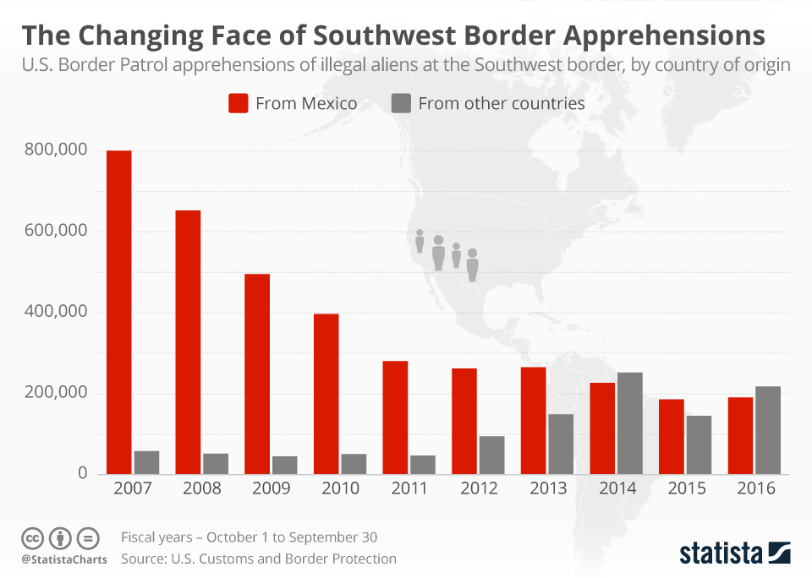
Death
Essentially, an undocumented alien in any country lacks meaningful protection of the law, and indeed actively seeks to avoid detection and interaction with law enforcement. This makes such migrants susceptible to predation, which in our case, includes law enforcement actions, which, from the migrant's perspective, is just another risk of operating without proper documentation. The types of predation run the gamut of crime and misfortune. On this page, we consider death, notably due to murder and as a result of the desert crossing into the US.

Region | PPA Estimate | Third Party Estimate | Link

Mexico - Interior |  | 900 - 1600: 2-5% of Mexico's 25,000 murders; if it were 10% of just those kidnapped, this number could reach 3,000 | PPA subjective estimate

Border Zone
Reported by Border Patrol |  | 360 | https://www.cbp.gov/sites/default/files/assets/documents/2017-Dec/BP%20Southwest%20Border%20Sector%20Deaths%20FY1998%20-%20FY2017.pdf
Under-report adjustment |  | 50% | https://www.azcentral.com/story/news/politics/border-issues/2017/12/14/investigation-border-patrol-undercounts-deaths-border-crossing-migrants/933689001/
Bodies not found |  | 30% | PPA estimate
Total US |  | 700
Un-reported deaths, Mexico side, percent of total |  | 30% | PPA estimate
Total Crossing Deaths |  | 1,000

US Interior | no estimate | no estimate

Total
 |  | 8900 (150 / 21% of all NT into Mexico / 8% of crossers at US border) | https://www.amnestyusa.org/wp-content/uploads/2017/04/amr410142010eng.pdf
Total Deaths of Migrants, 2018 Estimate | 2,000 | 3,000 | Murders + Border Crossing from above
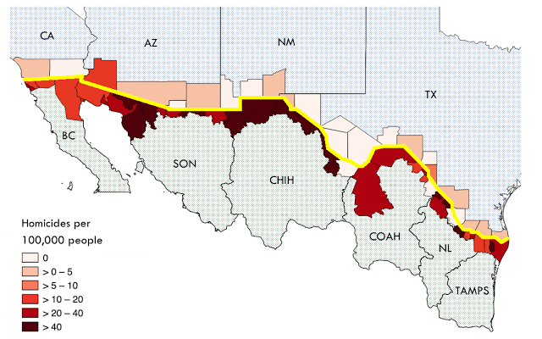
Number or Quote | Comment | Source | Link
Border Patrol has recorded deaths in the 250 - 450 range in the last four years. This includes principally US-side deaths. Given enhanced enforcement and increased crossing numbers in 2018, deaths in the 350 range might be expected. | US side, just reported | Border Patrol | https://www.cbp.gov/sites/default/files/assets/documents/2017-Dec/BP%20Southwest%20Border%20Sector%20Deaths%20FY1998%20-%20FY2017.pdf
"They can render a body to a skeleton in about five hours," with up to 35 black vulturesfeasting on a human body at once, Spradley said. | Bodies can dissappear in the desert in a matter of days, making death counts hard | De Leon has run experiments with pigs in the Arizona desert, USA Today | https://www.azcentral.com/story/news/politics/border-issues/2018/07/05/what-dead-pigs-teach-us-missing-migrants-arizona-desert/736627002/
"an investigation by the USA TODAY NETWORK has found many migrant deaths are never accounted for — including when bodies are discovered by sheriff’s deputies, police, ranchers, hikers and humanitarian groups. Hundreds of border deaths involving migrants were not included in official Border Patrol statistics over the past five years, from 2012 to 2016. In New Mexico, for example, the number of migrant deaths found by the network was nearly four times higher than the official count, while in California there were 60 percent more deaths than the Border Patrol reported. In Arizona, the number of deaths found by the USA TODAY NETWORK was 25 percent higher for the five-year period, but some years it was 100 percent higher. " | Actual border deaths are probably 50-100% higher than official border patrol statistics -- bearing in mind that many who die en route are never found. This excludes migrants who died on the Mexican side of the border during the crossing. | Arziona Central | https://www.azcentral.com/story/news/politics/border-issues/2017/12/14/investigation-border-patrol-undercounts-deaths-border-crossing-migrants/933689001/
“All the time they swore at us, slapped us, pushed and kicked us all over and hit us with a whip, they covered our eyes and mouths… they killed my friend because she didn’t have any [relatives] to help her and she couldn’t given them [phone] numbers, so they shot her twice in the head and they left her bleeding in front of me for three hours to intimidate me... The place they held me captive is a big, dark, dirty house that smelled bad. The two days I was there I slept on the ground with no blanket. They only gave me something to eat once and a little water. The men who kidnapped me also stripped me naked and raped me. In that place, I heard the whole time the moans, cries and groans of other people”. Salvadoran woman quoted in the 2009 CNDH special report on kidnapping" | This is an example of a murder away from the border zone. The narrative creates the impression that this was something of an industrial operation. One gets the sense that migrants were routinely killed here. We estimate 20,000 NT kidnappings per year. A 5-10% murder rate does not seem improbable, implying as many as 1,000 - 2,000 NT migrants could be killed related to kidnappings alone. This excludes Mexican migrants. | Amnesty International, 2010 | https://www.amnestyusa.org/wp-content/uploads/2017/04/amr410142010eng.pdf
"in January 2010, Mexican parliamentarians presented a report indicating that 750 Mexican migrants had died while crossing into the USA during 2009." | Not clear if this includes deaths counted by US Border Patrol | Amnesty International, 2010 | https://www.amnestyusa.org/wp-content/uploads/2017/04/amr410142010eng.pdf
293 Salvadorans had been killed or gone missing in Mexico in the previous two years (2007 and 2008) | That's about 150 / year, just Salvadorans | Amnesty International, 2011 | https://www.amnestyusa.org/wp-content/uploads/2017/04/amr410142010eng.pdf
Salvadorans were 21% of Northern Triangle citizens detained in Mexico in 2014-2016 | 21% | Rododem | https://drive.google.com/file/d/0B2qOr5xTBM2TZDZhcWdrVjZKeVk/view
Northern Triangle citizens were 8% of those apprehended or denied at the US border in 2007/2008 | 8% | US CBP | https://www.statista.com/chart/10595/changing-face-of-southwest-border-apprehensions/
150 dead and missing / 21% / 8% | implies 8900 imputed dead and missing in transit / year -- but this seems much too high | Princeton Policy estimate is 2,000 dead per year
If the border were a black market, we would expect to see elevated murder rates in the regions. And we do. | Map at right. | Mises Institute | https://mises.org/wire/fbi-us-homicide-rate-51-year-low
Mexico murder rate was record 25,000 in 2017 | Migrants, domestic and NT, could easily be 2-5% of this total, or 500 - 1,250 by this calculation, excluding crossing deaths cc 500 | Princeton Policy estimate is 1,000 dead per year | https://www.theguardian.com/world/2017/dec/23/new-figures-reveal-2017-to-be-the-deadliest-year-in-mexicos-history
In the US, 40% of the murder rate was attributable to Prohibition | In Mexico, 40% of 25,000 is 10,000, which could be allocated to both human and drug smuggling | CATO Institute | https://object.cato.org/pubs/pas/pa157.pdf
"Mexico’s Human Rights Commission published a report detailing the discovery of 855 clandestine graves containing 1,548 human cadavers (CNDH, 2017). The report also notes a total of 35,958 unidentified human remains found in the states of Coahuila, Colima, Nuevo Leon and Veracruz, all states controlled by the Zeta Cartel. Activists insist that many of the bodies are likely Central Americans, who will remain disappeared unless identification of the remains is possible." | If we assume 60% of these victims were migrants, then that's about 21,000 migrants killed over perhaps 10 years, or possibly 2,000 / year. This would be in addition to reported deaths in the Mexican interior and all deaths in the desert crossing. | International Organization for Migration | https://publications.iom.int/system/files/pdf/fatal_journeys_3_part2.pdf
"In 2012, leaked documents showed that the government believed there to be a total of 25,000 people missing across the country, perhaps the first time any official recognition of the problem surfaced. This year, the tally climbed to nearly 33,000." | This is neither confirmed dead nor either identified nor unidentified remains. This is only those listed as missing. Some in this category will no doubt be included in the unidentified remains noted immediately above. But it suggests many more bodies are yet to be found, and the death toll is probably higher than our estimates. | NY Times | https://www.nytimes.com/2017/11/20/world/americas/mexico-drug-war-dead.html
"At the Santa Fe site, 137 graves have been found so far, containing 280 bodies. Just nine have been identified." | Mass grave in Veracruz found by Solecito, a mothers' group searching for the remains of family members, mostly children. The mothers' received a tip about the site -- presumed to be from remorseful killers. This was presumably the graveyard of just one local gang. It certainly creates the impression that killing people is absolutely routine. | New Straits Times | https://www.nst.com.my/world/2017/09/281338/mexico-mothers-dig-through-nations-dirt-missing-children

 |  |  |  | 110
 |  |  |  | 1450
 |  |  |  | 0.075862068966

Assault
Assault

Assaults appear to happen primarily in the context of robberies and kidnapping. We consider only stand-alone assaults here |  |  |  |  |  |  |  |  |  |  | 400,000
Region | PPA Estimate | Third Party Estimate | Link |  |  |  |  |  |  |  | 0.54
Mexico | 48,000 | 11,000 |  |  |  |  |  |  |  |  | 740,741
US | 2,000 |  |  |  |  |  |  |  |  |  | 1.50%

Number | Comment | Source | Link
Of approximately 32,000 migrants surveyed in Mexican shelters in 2016, 0.5% reported being battered | This covers only those in shelters which are located principally between the southern Mexican border and Mexico city, ie, these migrants were on average about 1/3 of the way through Mexico. On this basis, allow 1.5% for the entire journey Nevertheless, this number seems quite low compared to other numbers in this diligence | Rododem | https://drive.google.com/file/d/0B2qOr5xTBM2TZDZhcWdrVjZKeVk/view | 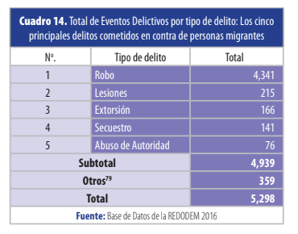
"the train was intercepted by INM agents supported by 50 members of the Mexican Navy armed with rifles and batons. According to the photographer and other eyewitnesses, the migrants tried to flee, but navy personnel chased them and beat them with batons, forcing them to the ground." | In Mexico, North Tri migrants | Amnesty International, 2010 | https://www.amnestyusa.org/wp-content/uploads/2017/04/amr410142010eng.pdf | 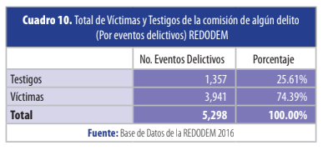

 |  |  |  |  | 3,941 | 74.4% | 4,341 | 3,229 | 32,000 | 10.1%
 |  |  |  |  | 5,298 |  | 215 | 160 | 32,000 | 0.5%

