STEM Grads
 |  |  |  |  |  | The Human Capital Report 2016
 |  |  |  |  |  | World Economic Forum 2016
 |  |  |  |  |  | http://www3.weforum.org/docs/HCR2016_Main_Report.pdf
 | STEM Graduates
China | 4,666 | 37% | 37% | 4,666
India | 2,575 | 21% | 21% | 2,575 | 7,241
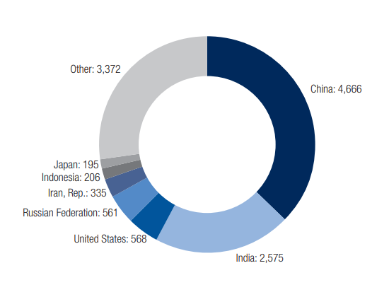
USA | 568 | 5% |  |  | 12.75
Russia | 561 | 4% | 4% | 561
Indonesia | 206 | 2% | 2% | 206
Others - US Comp | 1,686 | 14% | 14% | 1,686
Iran | 335 | 3%
Japan | 195 | 2%
Others | 1,686
Total | 12,478 | 100% | 78% | 9,694
 |  |  | 5%
 |  |  | 17

Recent Graduates in STEM Subjects

Graphs
Strengthening America's Workforce Act H1 Class Visas Issued
Strengthening America's Workforce Act Total Visas Issued
 | H1 Class Visas Issued
Mexico + NT | 4,400
Other LatAm | 15,000
East Asia | 46,300
South Aisa | 25,100
E. Europe / FSU | 13,500
Africa | 12,000
Middle East | 5,100
Total | 121,400

 | H2 Class Visas Issued
Mexico + NT | 15,700
Other LatAm | 34,800
East Asia | 118,500
South Aisa | 118,700
E. Europe / FSU | 26,100
Africa | 42,600
Middle East | 17,200
Total | 373,600

Strengthening America's Workforce Act H2 Class Visas Issued
Strengthening America's Workforce Act Total Potential Visa Applications Annually Millions
 | Total Visas Issued
Mexico + NT | 20,200
Other LatAm | 49,800
East Asia | 164,800
South Aisa | 143,800
E. Europe / FSU | 39,600
Africa | 54,600
Middle East | 22,300
Total | 495,000

 | Visa Applications
Mexico + NT | 2.0
Other LatAm | 4.9
East Asia | 16.3
South Aisa | 14.3
E. Europe / FSU | 3.9
Africa | 5.4
Middle East | 2.2
Total | 49.1

Workforce Spending
Workforce Development Spending

 | WIOA Adult | 846 |  | https://www.nationalskillscoalition.org/federal-policy/body/FY2020-Presidential-Budget-Request-comparison-chart.pdf
 | WIOA Youth | 1,041
 | WIOA Dislocated Worker | 903
 | Workforce Innovation |  | 2,789
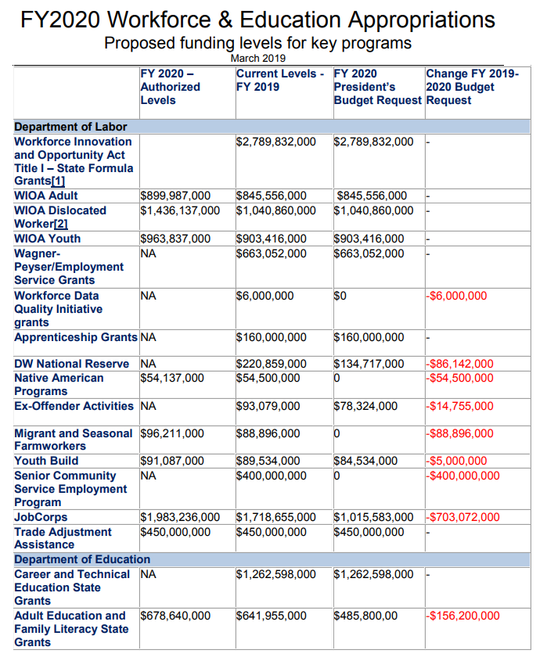
 | Wagner Peyser Employment Grants |  | 663
 | Apprenticeship Grants |  | 166
 | DW National Reserve |  | 221
 | Native American programs |  | 55
 | Ex-offenders |  | 93
 | Migrants |  | 89
 | Youth Build |  | 90
 | Sr Community Service |  | 400
 | Job Corps |  | 1,718
 | Trade Adjustment |  | 450

 | Dept Ed
 | Career Technical |  | 1,263
 | Adult Education |  | 641

 | Total Workforce Development Related |  | 8,638
 | Visa Fees to Workforce Development |  | 13,031
 | Workforce Development covered by Visa Fees |  | 151%

